Sheet 1
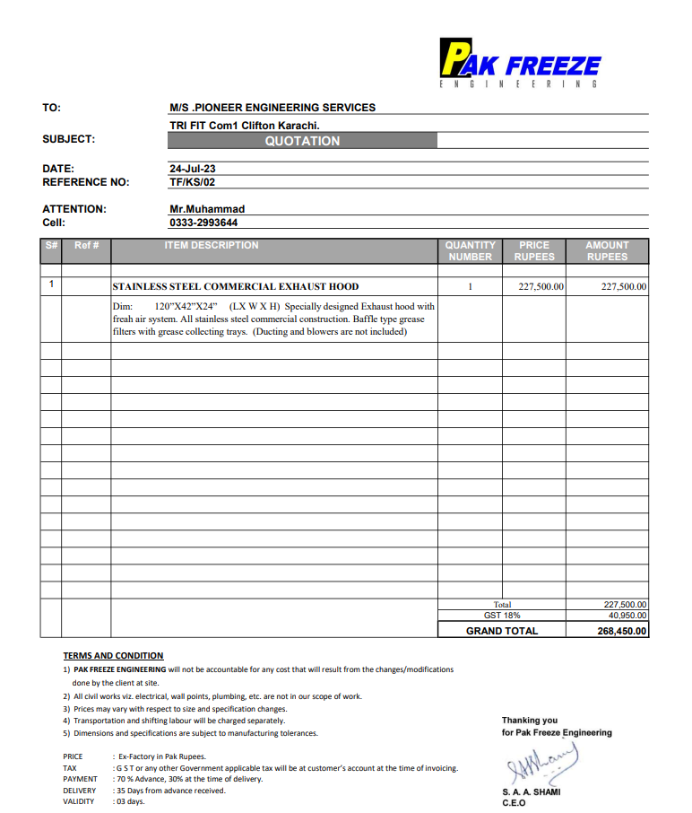
Dated: | 17-Aug-23
Project: | TRI-FIT COM-1
Contractor: M/s Pioneer Engineering Services | National Engineering Services

Revised Rate Analysis for Kitchen Hood
S. # | Description | Unit | Quantity |  |  | Rate | Amount | Gross
 |  |  | Actual | Waste | Total
A MATERIAL.
1 | Supply of single skinned stainless steel kitchen hood (120" x 42" x 24") including grease trap, grease filter exhaust connections and hangers supports. | No | 1.00 |  | 1.00 | 268,450 | 268,450
 | Total. |  |  |  |  |  | 268,450 | 268,450
B LABOUR.
S. # | Description | Unit | Quantity |  |  | Rate | Amount | Gross
 |  |  | Actual | Waste | Total
1 | Installation of Fans with regging lifting & shifting of Fans including angle iron brackets, hangers, & supports. (OFM Material) | No | 2.00 |  | 2.00 | 15,000 | 30,000
2 | Installation of kitchen hood with hangers and supports. | No | 1.00 |  | 1.00 | 30,000 | 30,000

 | Total. |  |  |  |  |  | 60,000 | 328,450
C OTHER
S. # | Description | Unit | Quantity |  |  | Rate | Amount | Gross
 |  |  | Actual | Waste | Total

 | Total. |  |  |  |  |  |  | 328,450
 | Total Rs. |  |  |  |  |  |  | 328,450
Sub-Contractor Margin: |  |  | 10% |  |  |  |  | 32,845
Total Price |  |  |  |  |  |  |  | 361,295

